Dashboard
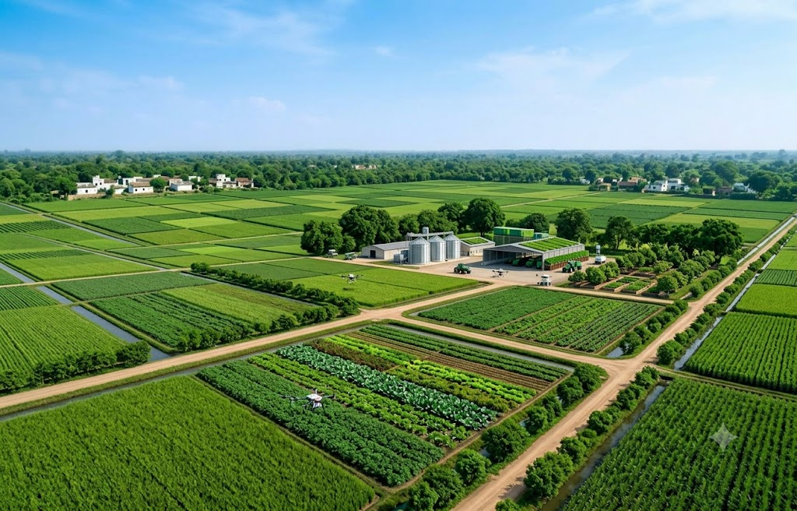
India Agriculture Price Dashboard

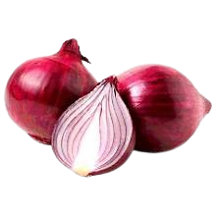
Average Price
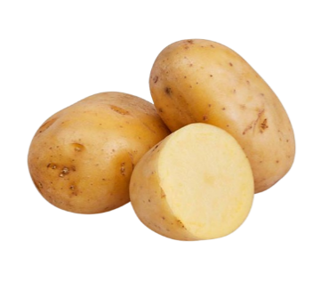
Average Price
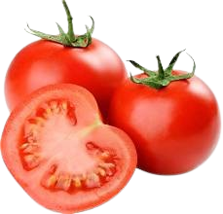
Average Price
Average Price
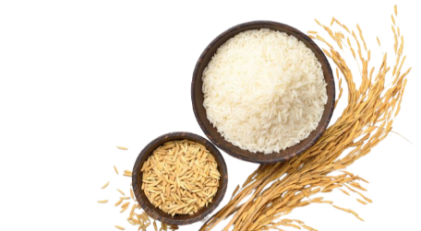
Average Price
₹ 2,769.85
₹ 2,011.92
₹ 3,579.86
₹ 4,389.62
₹ 2,433.31

Days Market Avgerage Price
State Avgerage Price
Grading wise Avgerage Price
 | Total
FAQ | ₹ 2,282.52
Large | ₹ 900.00
Local | ₹ 4,246.47
Medium | ₹ 2,053.43
Non-FAQ | ₹ 1,500.90
Ref grade-1 | ₹ 2,209.28
Ref grade-2 | ₹ 3,166.67

 | Total
Sunday | ₹ 2,451.78
Monday | ₹ 2,499.01
Tuesday | ₹ 2,452.03
Wednesday | ₹ 2,494.79
Thursday | ₹ 2,456.14
Friday | ₹ 2,384.71
Saturday | ₹ 2,491.79

Top 10 Expensive Markets
Top 10 Cheapest Markets

 | Total
Sohra | ₹ 30,107.14
Sasthamkotta | ₹ 9,390.91
Pothencode | ₹ 24,262.09
Patna (Musallahpur) | ₹ 46,321.43
Parshiwani | ₹ 7,500.00
Parlakhemundi | ₹ 8,500.00
Parassala | ₹ 11,157.89
Neyyatinkara | ₹ 8,805.88
Nagamangala | ₹ 8,020.00
Damnagar | ₹ 7,284.21
 | Total
Tanda(Rampur) | ₹ 785.94
Sonkachh(F&V) | ₹ 638.17
Shamgarh(F&V) | ₹ 798.63
Sant Namdev Krushi Bazar, | ₹ -
Raikot | ₹ 327.50
Porsa(F&V) | ₹ 662.00
Lohian Khas | ₹ 608.96
Jalandhar City(Jalandhar) | ₹ 784.49
Jainath | ₹ 702.83
Gondal(Veg.market Gondal) | ₹ 416.32

